Layout
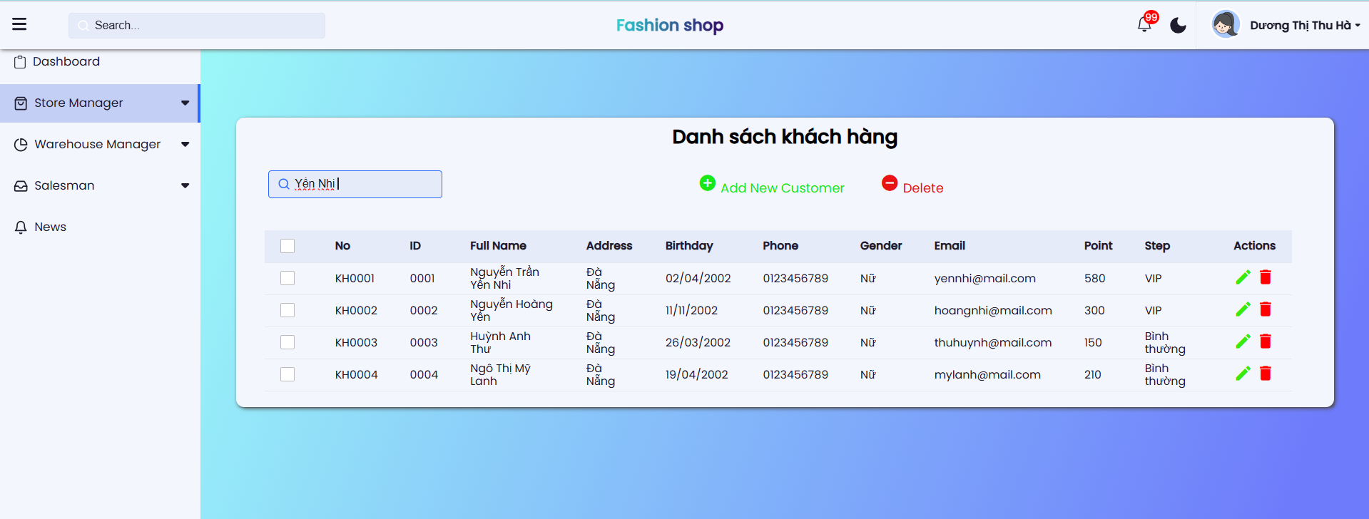
6.4.4.1. Màn hình xem danh sách khách hàng

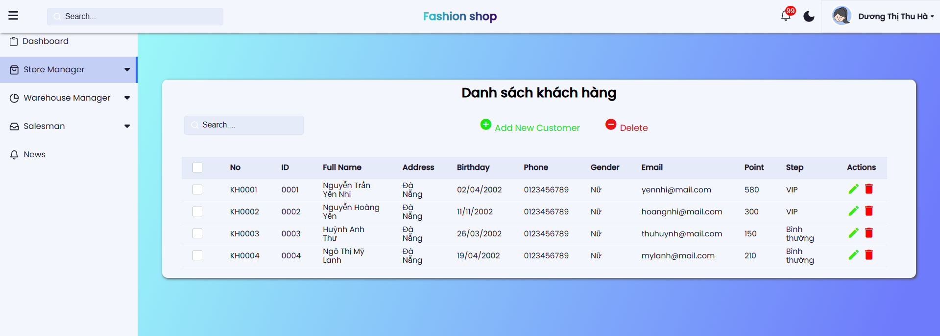

6.3.1.2 Màn hình xóa khách hàng

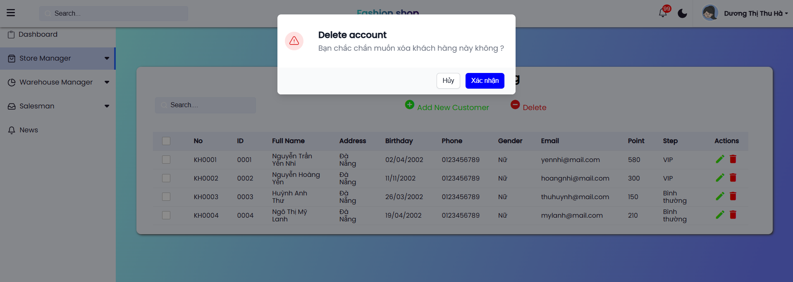

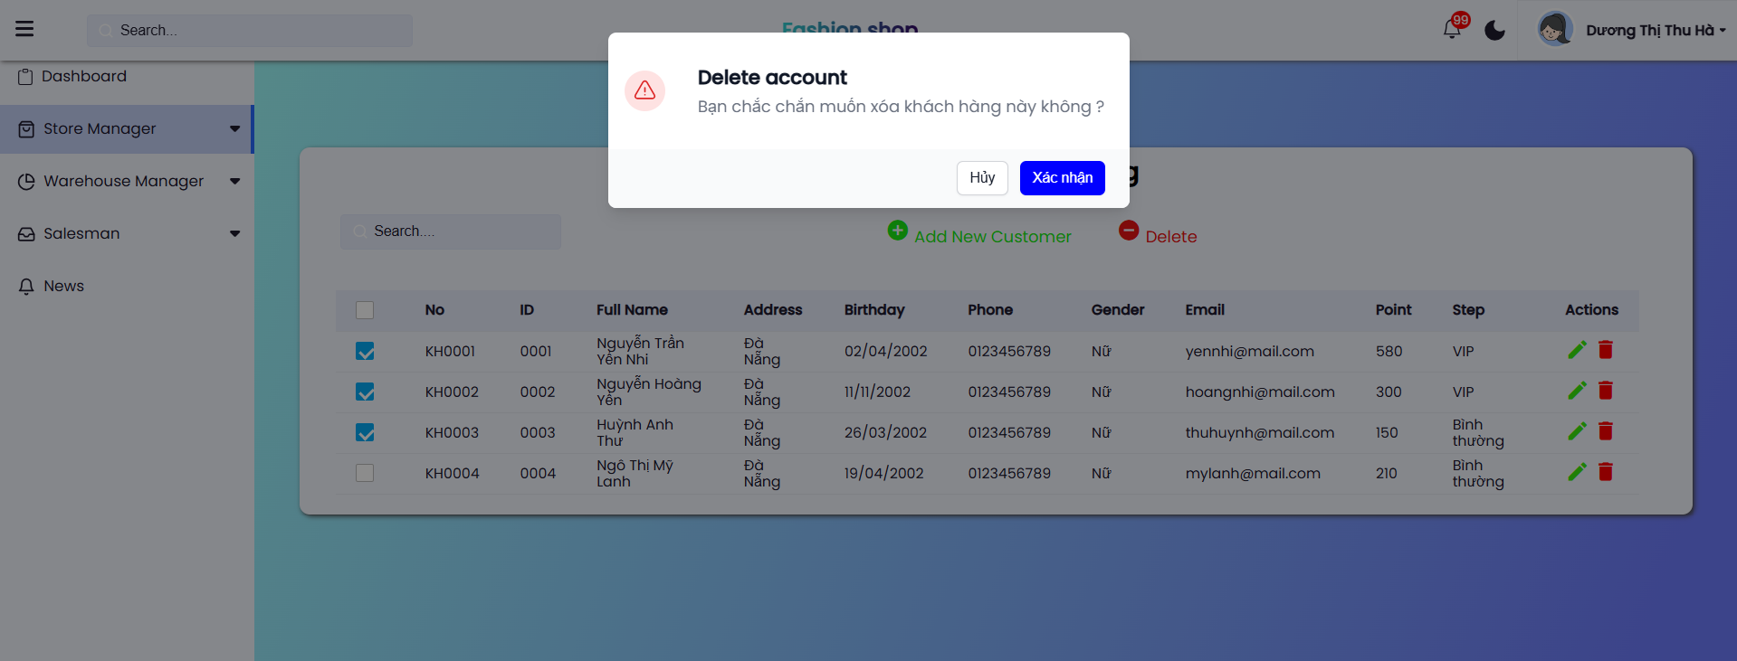

6.4.4.3. Màn hình tìm kiếm khách hàng

